Testing Flowchart
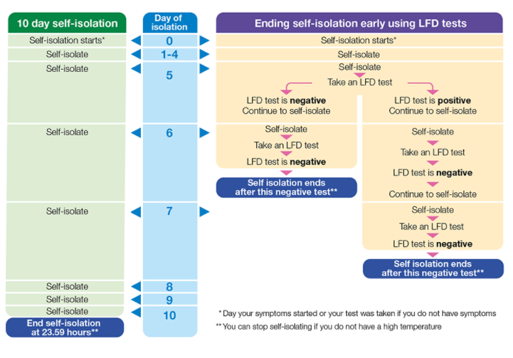

Information required when you call the Local Authority and Health Protection Team
1. The name and address of the educational establishment .
2. The name and phone number of the head teacher.
3. The number of children, teachers and other staff members that have confirmed coronavirus (i.e. confirmed cases have tested positive for coronavirus).
4. The number of children, teachers and other staff members that have been sent home to isolate.
5. If you plan to close, or have already closed the school.

Back to Index

